Sheet1
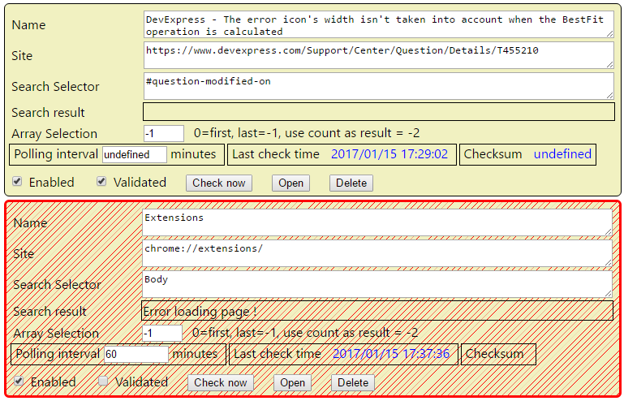

 | TODO
 |  | "Add current Page" button
 |  | "Delete" button
 |  | Polling interval
 |  | checksum undefined after extension load. Not saved ?
 |  | Array selection : change look : first, last,use coutn, specific index
 |  | Add a Minimize button, mimimize all, collapse all

 |  | bower : tracetool.js
 |  | take a look at Bootstrap (npm)

O first element
O Last element
O use count as result
O Specific index

